PIVOT
Ratings Type of Restaurants
Row Labels | Average of Aggregate rating | Row Labels | Average of Aggregate rating
Australia | 3.6583333333 | Agra | 3.965
Brazil | 3.7633333333 | Bangalore | 4.375
Canada | 3.575 | Chennai | 4.315
India | 2.5233240869 | Faridabad | 1.8669322709
Indonesia | 4.2952380952 | Ghaziabad | 2.852
New Zealand | 4.2625 | Goa | 4.245
Phillipines | 4.4681818182 | Hyderabad | 4.3444444444
Qatar | 4.06 | Kolkata | 4.255
Singapore | 3.575 | Mumbai | 4.085
South Africa | 4.21 | New Delhi | 2.4388452403
Sri Lanka | 3.87 | Pune | 4.22
Turkey | 4.3 | Grand Total | 2.4640426612
UAE | 4.2333333333
United Kingdom | 4.0875
United States | 4.0043778802
Grand Total | 2.6663700136 | Average of 850
 |  | 623.34412207

Row Labels | Count of Restaurant Name
Average | 3725
Excellent | 231
Good | 2049
Not rated | 2147
Poor | 184
Very Good | 940
Grand Total | 9276

Row Labels | Max of Aggregate rating | Min of Aggregate rating
Australia | 4.6 | 2.4
Brazil | 4.9 | 0
Count of Restaurants having online booking facility
Canada | 4.3 | 3
India | 4.9 | 0
Phillipines | 4.9 | 3.6
Singapore | 4.2 | 3
UAE | 4.9 | 2.4
United States | 4.9 | 0
Grand Total | 4.9 | 0

Count of Has Table booking | Column Labels
Row Labels | No | Yes | Grand Total
India | 7541 | 1111 | 8652
Grand Total | 7541 | 1111 | 8652

Ratings Wise Average Cost

Average of Average Cost for two | Column Labels
Row Labels | Average | Excellent | Good | Poor | Very Good | Grand Total
India | 548.23273518 | 1173.7068966 | 865.52246887 | 647.77777778 | 1148.7716763 | 715.90971902
Grand Total | 548.23273518 | 1173.7068966 | 865.52246887 | 647.77777778 | 1148.7716763 | 715.90971902

Dashboard1
ZOMATO RESTAURANT ANALYSIS

Aggregate ratings for countries
 | Total
Australia | 3.6583333333
Brazil | 3.7633333333
Canada | 3.575
India | 2.5233240869
Indonesia | 4.2952380952
New Zealand | 4.2625
Phillipines | 4.4681818182
Qatar | 4.06
Singapore | 3.575
South Africa | 4.21
Sri Lanka | 3.87
Turkey | 4.3
UAE | 4.2333333333
United Kingdom | 4.0875
United States | 4.0043778802
Aggregate Ratings according to countries
 | Total
Australia | 3.6583333333
Brazil | 3.7633333333
Canada | 3.575
India | 2.5233240869
Indonesia | 4.2952380952
New Zealand | 4.2625
Phillipines | 4.4681818182
Qatar | 4.06
Singapore | 3.575
South Africa | 4.21
Sri Lanka | 3.87
Turkey | 4.3
UAE | 4.2333333333
United Kingdom | 4.0875
United States | 4.0043778802
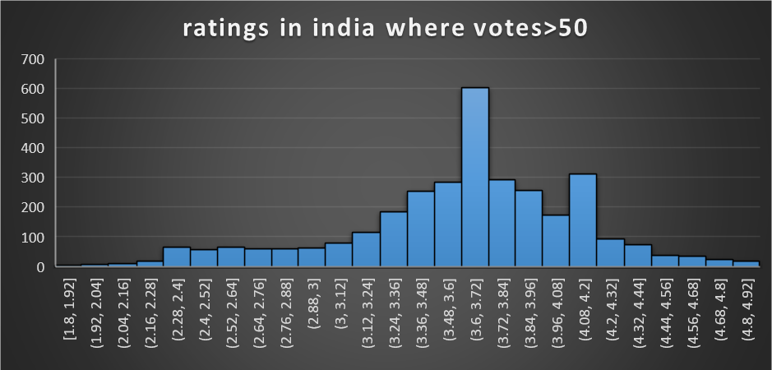

 | Total
Agra | 3.965
Bangalore | 4.375
Chennai | 4.315
Faridabad | 1.8669322709
Ghaziabad | 2.852
Goa | 4.245
Hyderabad | 4.3444444444
Kolkata | 4.255
Mumbai | 4.085
New Delhi | 2.4388452403
Pune | 4.22
Average Cost for 2 according to cities
 | Total
Agra | 1065
Chennai | 1085
Faridabad | 447.60956175
Ghaziabad | 602
Goa | 1175
Gurgaon | 714.01610018
Hyderabad | 1361.1111111
Kolkata | 1272.5
Mumbai | 1072.5
New Delhi | 596.0880687
Noida | 539.49074074
Pune | 1337.5

Dashboardcolour
ZOMATO RESTAURANT ANALYSIS

Aggregate ratings for countries
 | Total
Australia | 3.6583333333
Brazil | 3.7633333333
Canada | 3.575
India | 2.5233240869
Indonesia | 4.2952380952
New Zealand | 4.2625
Phillipines | 4.4681818182
Qatar | 4.06
Singapore | 3.575
South Africa | 4.21
Sri Lanka | 3.87
Turkey | 4.3
UAE | 4.2333333333
United Kingdom | 4.0875
United States | 4.0043778802
Aggregate Ratings according to countries
 | Total
Australia | 3.6583333333
Brazil | 3.7633333333
Canada | 3.575
India | 2.5233240869
Indonesia | 4.2952380952
New Zealand | 4.2625
Phillipines | 4.4681818182
Qatar | 4.06
Singapore | 3.575
South Africa | 4.21
Sri Lanka | 3.87
Turkey | 4.3
UAE | 4.2333333333
United Kingdom | 4.0875
United States | 4.0043778802

Aggregate ratings for cities
 | Total
Agra | 3.965
Bangalore | 4.375
Chennai | 4.315
Faridabad | 1.8669322709
Ghaziabad | 2.852
Goa | 4.245
Hyderabad | 4.3444444444
Kolkata | 4.255
Mumbai | 4.085
New Delhi | 2.4388452403
Pune | 4.22
Average Cost for 2 according to cities
 | Total
Agra | 1065
Chennai | 1085
Faridabad | 447.60956175
Ghaziabad | 602
Goa | 1175
Gurgaon | 714.01610018
Hyderabad | 1361.1111111
Kolkata | 1272.5
Mumbai | 1072.5
New Delhi | 596.0880687
Noida | 539.49074074
Pune | 1337.5

Ratings Type of Restaurants
 | Total
Average | 3725
Excellent | 231
Good | 2049
Not rated | 2147
Poor | 184
Very Good | 940
Average Cost and ratings for cities
 | Average of Aggregate rating | Average of Average Cost for two
Agra | 3.965 | 1065
Bangalore | 4.375 | 1232.5
Chennai | 4.315 | 1085
Faridabad | 1.8669322709 | 447.60956175
Ghaziabad | 2.852 | 602
Goa | 4.245 | 1175
Gurgaon | 2.651431127 | 714.01610018
Hyderabad | 4.3444444444 | 1361.1111111
Kolkata | 4.255 | 1272.5
Mumbai | 4.085 | 1072.5
New Delhi | 2.4388452403 | 596.0880687
Restaurants Offering Online Delivery
 | No | Yes
India | 6229 | 2423
Count of Restaurants having online booking facility
 | No | Yes
India | 7541 | 1111

Having less cost and more ratings
Having more cost and less ratings
Ratings Wise Average Cost
 | Average | Excellent | Good | Poor | Very Good
India | 548.23273518 | 1173.7068966 | 865.52246887 | 647.77777778 | 1148.7716763

Dashboard
ZOMATO ANALYSIS DASHBOARD

 | Total
Australia | 3.6583333333
Brazil | 3.7633333333
Canada | 3.575
India | 2.5233240869
Indonesia | 4.2952380952
New Zealand | 4.2625
Phillipines | 4.4681818182
Qatar | 4.06
Singapore | 3.575
South Africa | 4.21
Sri Lanka | 3.87
Turkey | 4.3
UAE | 4.2333333333
United Kingdom | 4.0875
United States | 4.0043778802
 | Total
Agra | 3.965
Bangalore | 4.375
Chennai | 4.315
Faridabad | 1.8669322709
Ghaziabad | 2.852
Goa | 4.245
Hyderabad | 4.3444444444
Kolkata | 4.255
Mumbai | 4.085
New Delhi | 2.4388452403
Pune | 4.22

